Test Forms
*Scroll right for screenshot
Required |  | Optional
Audit Program Name |  | Test Conclusion Name |  |  |  |  | Folder Name
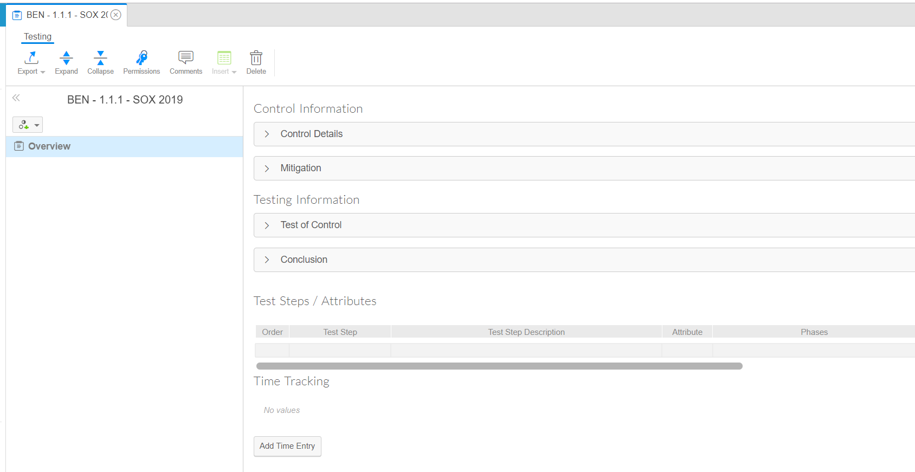
Audit Program | Control ID | Default ToC Conclusion for the Year | Due Date | # of Samples to test (year) | # of allowable exceptions | Budgeted Hours | Folder
SOX 2019 | BEN - 1.1.1 |  | 1/31/2020 | 45 | 1 | 40 | All Test Forms
SOX 2019 | BEN - 1.1.2 |  | 1/31/2020 | 30 | 2 | 30 | All Test Forms

Test Phases
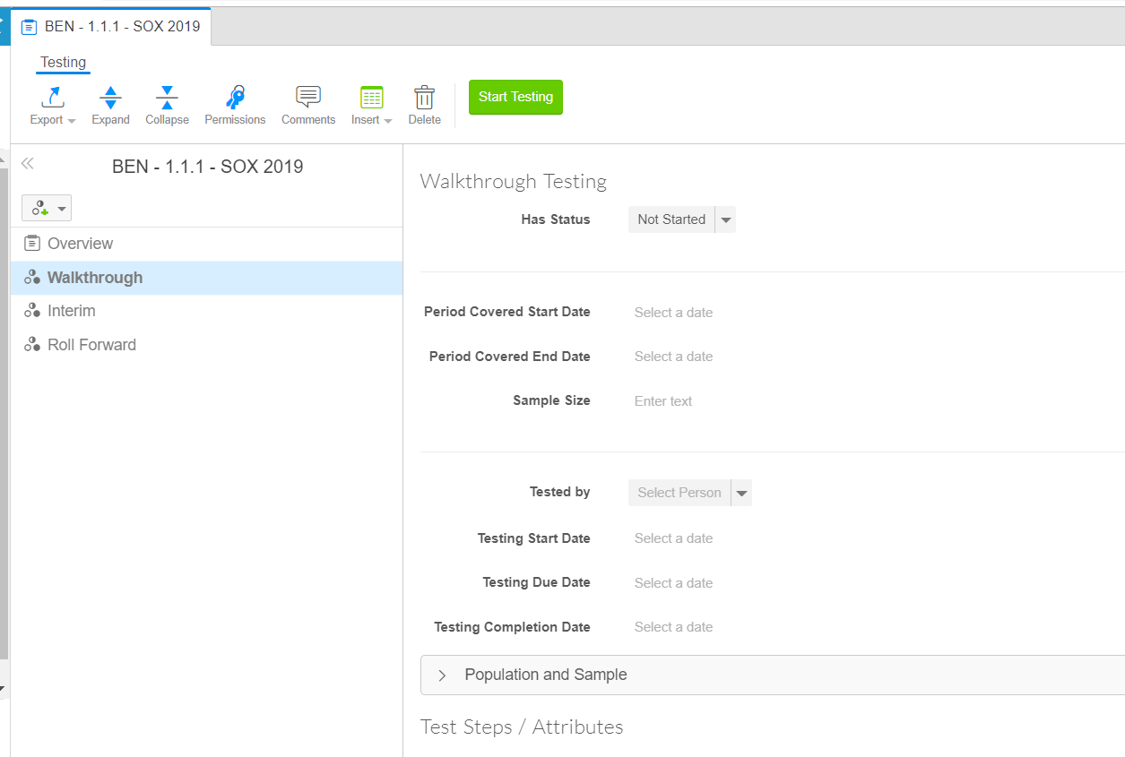
*Scroll right for screenshot
Required |  |  | Optional
Audit Program Name | Control ID | Phase Name (use Phases from the 1st tab) | Test Phase Status (usually Not Started) | Phase Conclusion (usually blank or Effective) | Start Date | Due Date | Timing Start | Timing End
Audit Program | Control ID | Phase of Testing | Status for the Phase (Default Value) | Conclusion for the Phase (Default Value) | Start Date | Due Date | Sample Start Date | Sample End Date | # of Samples to test (this phase)
SOX 2019 | BEN - 1.1.1 | Walkthrough | Not Started
SOX 2019 | BEN - 1.1.2 | Walkthrough | Not Started
SOX 2019 | BEN - 1.1.1 | Interim | Not Started
SOX 2019 | BEN - 1.1.2 | Interim | Not Started |  |  |  |  |  | 19
SOX 2019 | BEN - 1.1.1 | Rollforward | Not Started |  | 1/31/2019 | 3/1/2019 | 7/31/2019 | 8/31/2019 | 10
SOX 2019 | BEN - 1.1.2 | Rollforward | Not Started |  |  | 2/22/2019 | 7/31/2019 | 8/31/2019 | 5

Test Steps and Attributes
Entry
Audit Program | Control ID | Test Step Name | Test Step Description | Attribute Name (Will be column header for non-testable attributes) | Attribute Description | Testable (yes/no)? | x
SOX 2019 | C.AP.01 | Test Step 1 | Review the invoice to verify quantity, date, and amount. | Quantity | Verify total quantity per invoice | yes
SOX 2019 | C.AP.01 | Test Step 1 | Review the invoice to verify quantity, date, and amount. | Date | Verify appropriate date (invoiced prior to year end) | yes
SOX 2019 | C.AP.01 | Test Step 1 | Review the invoice to verify quantity, date, and amount. | Amount | Verify total invoice amount | yes
SOX 2019 | C.AP.01 | Test Step 2 | Ensure invoice is mathematically accurate | Mathematical Accuracy | Recalculate mathematical accuracy of invoice | yes
SOX 2019 | C.AP.01 | Test Step 3 | Ensure invoice is properly authorized and signed | Signature | Review for appropriate signature | yes
SOX 2019 | C.AP.02 | Test Step 1 | Verify the following system controls are appropriate | 3-way Match role | Ability to process 3-way match exceptions are appropriate | yes
SOX 2019 | C.AP.02 | Test Step 1 | Verify the following system controls are appropriate | Payments over 10k | Ability to apply payment over 10k is appropraite | yes
SOX 2019 | C.AP.02 | Test Step 1 | Verify the following system controls are appropriate | System version | Record system version number | no
SOX 2019 | C.AP.03 | Test Step 1 | Obtain appropriate contracts
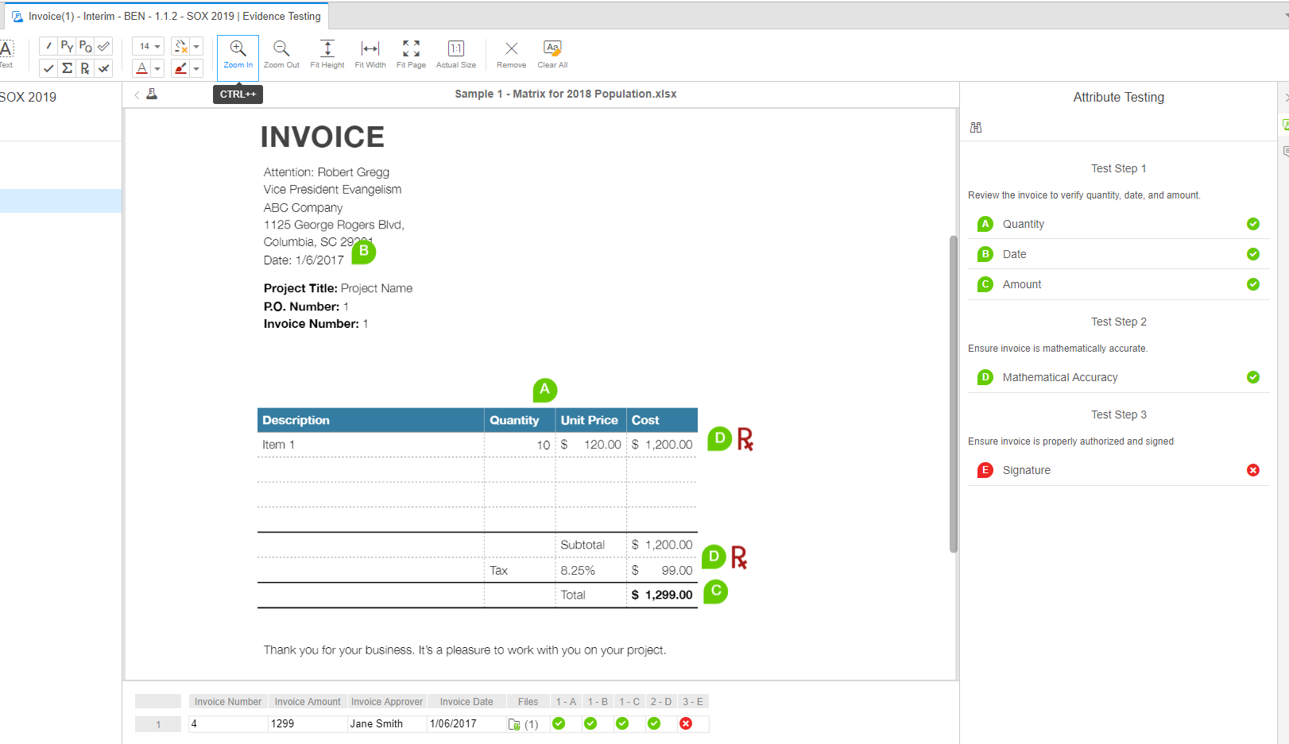
SOX 2019 | C.AP.03 | Test Step 2 | Verify Contract has valid signatrues and reasonable dates | Valid Signature | Ensure contract has proper signatures | yes
SOX 2019 | C.AP.03 | Test Step 2 | Verify Contract has valid signatrues and reasonable dates | Valid Date | Ensure contract has proper dates | yes

Test Steps Examples
1) | Single Test Step with Multiple Attributes |  | x

 | - Template

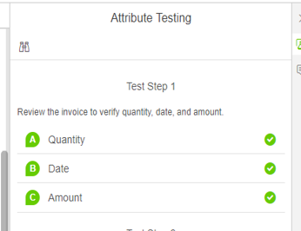
 | -App

2) | Single Test Step with Single Attribute

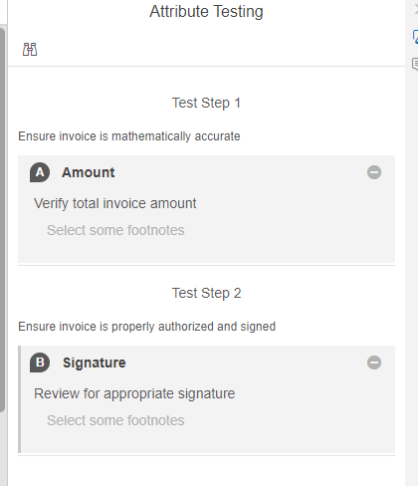
 | - Template | When to use this?
 |  | If there is a separate instruction (test step) for each attribute to test the control

 | -App

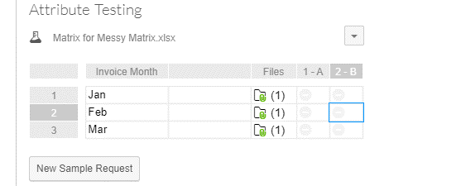

3) | Non-Testable Attributes

 | - Template | When to use this?
 |  | When to use this? If a control test requires data input vs. a Pass/Fail option. I.e. Enter Name. Enter Amount, etc. Column Header in the attribute matrix will be the attribute name, and not a letter

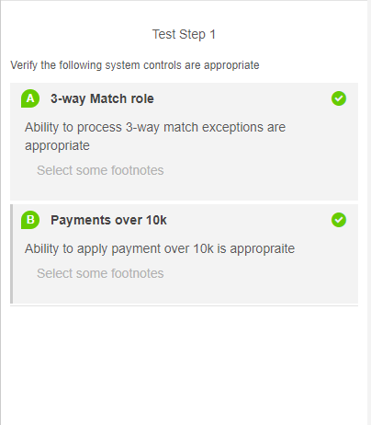

 | -App

4) | Test steps with no Attributes

 | - Template
 |  | When to use this:
 |  | When items aren’t tested but should be included on a test sheet Can be used for general procedures related to testing E.g. Test Step 1 - Request a Population Test Step 2 - Choose a random sample from the population Test Step 3 - Perform attribute testing for each sample If these can be grouped with other test steps, these could also be non-testable attributes

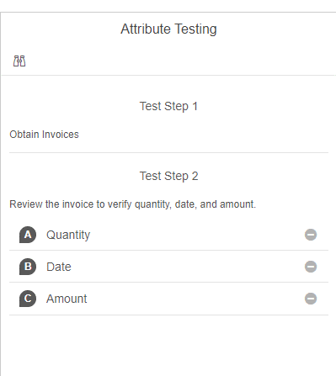
 | -App

